Oppgave 5
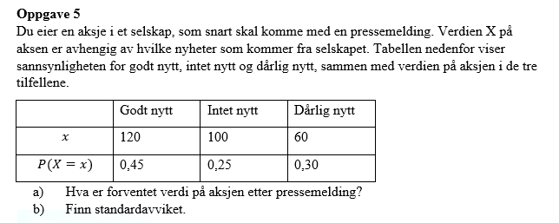
x | P(X=x) | x*P(X=x) | (x-E(X))^2*P(X=x)
120 | 0.45 | 54 | 238.05
100 | 0.25 | 25 | 2.25
60 | 0.3 | 18 | 410.7
SUM |  | 97 | 651

a) E(X)= | 97 | kr

b) ϭ= | 25.51 | kr

